Manual för utskrift
Manual for printing (Microsoft Word 2010/2013):
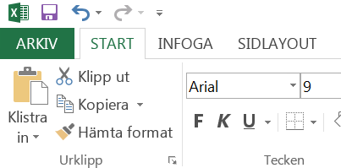
TILLBAKA TILL BLANKETTEN
1. Click on "ARKIV"

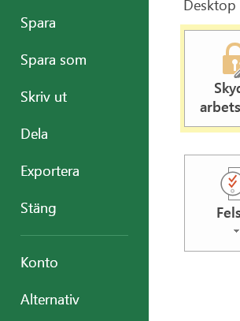
2. Click on "Skriv ut"

3. Select printer

4. Make sure that you have selected "Adjust to one page"

5. Click on "Print"

